Hoja1
Project: |  | QA Automation Tech Test Zemoga

Issue Type: |  | Defect

Summary: (Link Contact Us) - The link of contact us is open in the same page and it should be open in a new tab.

Description
Version: |  | 1
Description: |  | The link of contact us is open in the same page and it should be open in a new tab.
Steps:

 | 1. Land on https://www.carnival.com
 | 2. Verify land on Carnival
 | 3. Close offer modal
 | 4. Close cookie banner
 | 5. Verify that a link is displayed in the footer of the page.
 | 6. Click on the link
 | 7. Verify that the link is open in a new tab.

Current Result: |  | The link of contact us is open in the same page.
Expected Result: |  | The link should be open in a new tab.
Additional Info:

Reporter: |  | Carlos Enrique Gonzalez

Priority: |  | Medium

Labels: |  | Contact Support, Footer

Enviroment
Enviroment: |  |  | Production
Device: |  |  | PC (N56JRH)
Operative System: |  |  | Windows 10 Enterprise 20H2 64 bits
Browser: |  |  | Chrome (Version 93.0.4577.82 (Official Build) (64-bit))

Attachments

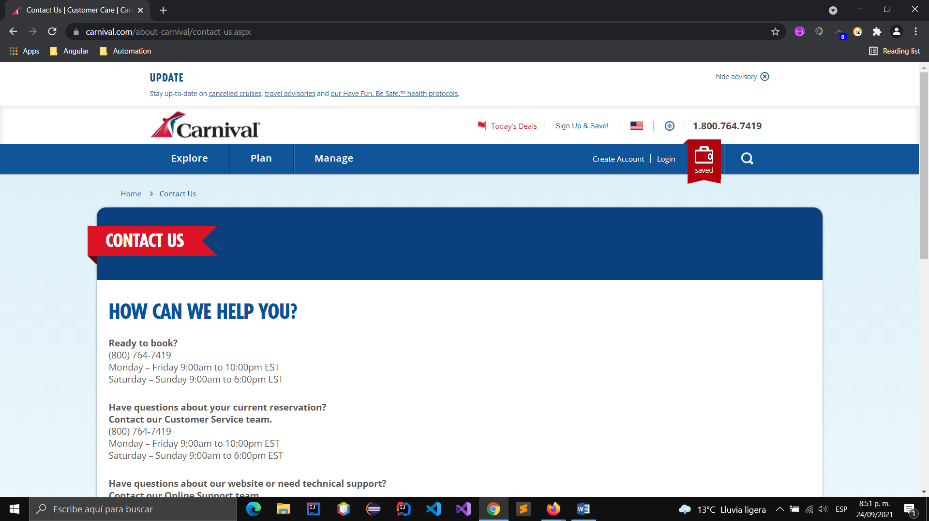

 | Evidence_Bug_01.docx

Linked Issues: |  | Bug_02,Bug_03

Assignee: |  | Development Team

